Line Sheet Emanuela Biffoli
 |  |  | 5930 |  | 259,676.80 €
IMMAGINE | CODICE | DESCRIZIONE | Quantity | RRP | TOT RRP | MADE IN
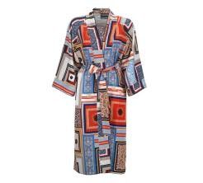 | 6370/L | CAFTANO LUNGO CON STAMPA GEOMETRICA | 9 | 139.90 € | 1,259.10 € | MADE IN ITALY
 | 6370/M | CAFTANO LUNGO CON STAMPA GEOMETRICA | 4 | 139.90 € | 559.60 € | MADE IN ITALY
 | 6370/S | CAFTANO LUNGO CON STAMPA GEOMETRICA | 10 | 139.90 € | 1,399.00 € | MADE IN ITALY
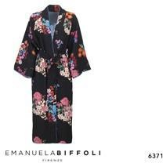 | 6371/L | CAFTANO LUNGO NERO CON STAMPA FLOREALE | 3 | 139.90 € | 419.70 € | MADE IN ITALY
 | 6371/M | CAFTANO LUNGO NERO CON STAMPA FLOREALE | 7 | 139.90 € | 979.30 € | MADE IN ITALY
 | 6371/S | CAFTANO LUNGO NERO CON STAMPA FLOREALE | 4 | 139.90 € | 559.60 € | MADE IN ITALY
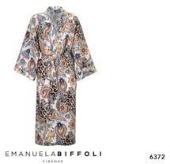 | 6372/L | CAFTANO LUNGO CON STAMPA MACULATA | 13 | 139.90 € | 1,818.70 € | MADE IN ITALY
 | 6372/M | CAFTANO LUNGO CON STAMPA MACULATA | 11 | 139.90 € | 1,538.90 € | MADE IN ITALY
 | 6372/S | CAFTANO LUNGO CON STAMPA MACULATA | 8 | 139.90 € | 1,119.20 € | MADE IN ITALY
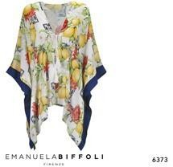 | 6373/L | CAFTANO CORTO STAMPA LIMONI E GROS BLU | 6 | 99.90 € | 599.40 € | MADE IN ITALY
 | 6373/M | CAFTANO CORTO STAMPA LIMONI E GROS BLU | 12 | 99.90 € | 1,198.80 € | MADE IN ITALY
 | 6373/S | CAFTANO CORTO STAMPA LIMONI E GROS BLU | 9 | 99.90 € | 899.10 € | MADE IN ITALY
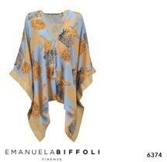 | 6374/L | CAFTANO CORTO STAMPA MARE GROS CHAMPAG | 7 | 99.90 € | 699.30 € | MADE IN ITALY
 | 6374/S | CAFTANO CORTO STAMPA MARE GROS CHAMPAG | 5 | 99.90 € | 499.50 € | MADE IN ITALY
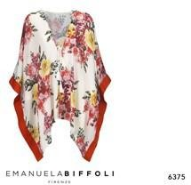 | 6375/L | CAFTANO CORTO STAMPA FIORI E GROS ROSSO | 5 | 99.90 € | 499.50 € | MADE IN ITALY
 | 6375/M | CAFTANO CORTO STAMPA FIORI E GROS ROSSO | 9 | 99.90 € | 899.10 € | MADE IN ITALY
 | 6375/S | CAFTANO CORTO STAMPA FIORI E GROS ROSSO | 9 | 99.90 € | 899.10 € | MADE IN ITALY
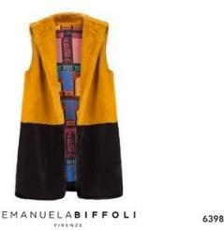 | 6398/L | GILET LUNGO SENAPE | 1 | 190.00 € | 190.00 € | MADE IN ITALY
 | 6398/M | GILET LUNGO SENAPE | 3 | 190.00 € | 570.00 € | MADE IN ITALY
 | 6398/S | GILET LUNGO SENAPE | 4 | 190.00 € | 760.00 € | MADE IN ITALY
 | 6394/L | CAPPOTTO FEBE DAMASCO ALCHEMICO | 4 | 230.00 € | 920.00 € | MADE IN ITALY
 | 6404/L | GILET LUNGO NERO | 1 | 200.00 € | 200.00 € | MADE IN ITALY
 | 6404/M | GILET LUNGO NERO | 1 | 200.00 € | 200.00 € | MADE IN ITALY
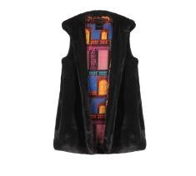 | 6404/S | GILET LUNGO NERO | 1 | 200.00 € | 200.00 € | MADE IN ITALY
 | 6396/ML | CAPPOTTO LETO ZAFFIRO | 2 | 240.00 € | 480.00 € | MADE IN ITALY
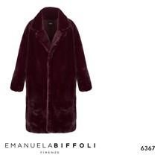 | 6367/M | ECOPELLICCIA LUNGA VINACCIA BOLGHERI M | 1 | 190.00 € | 190.00 € | MADE IN ITALY
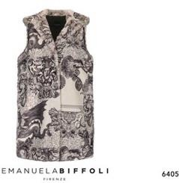 | 6405/M | GILET LUNGO ALCHEMICO | 2 | 210.00 € | 420.00 € | MADE IN ITALY
 | 6394/M | CAPPOTTO FEBE DAMASCO ALCHEMICO | 2 | 230.00 € | 460.00 € | MADE IN ITALY
 | 6392/L | CAPPOTTO FEBE OTTANIO | 1 | 230.00 € | 230.00 € | MADE IN ITALY
 | 6388/S | CAPPOTTO SCARLET CAMMELLO | 1 | 240.00 € | 240.00 € | MADE IN ITALY
 | 6391/S | CAPPOTTO FEBE DAY PALACE | 4 | 230.00 € | 920.00 € | MADE IN ITALY
 | 6397/ML | CAPPOTTO LETO CACHEMIRE | 5 | 240.00 € | 1,200.00 € | MADE IN ITALY
 | 6397/SM | CAPPOTTO LETO CACHEMIRE | 4 | 240.00 € | 960.00 € | MADE IN ITALY
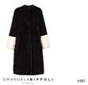 | 6387/L | CAPPOTTO SCARLET NERO | 2 | 240.00 € | 480.00 € | MADE IN ITALY
 | 6398/L | GILET LUNGO SENAPE | 5 | 190.00 € | 950.00 € | MADE IN ITALY
 | 6405/M | GILET LUNGO ALCHEMICO | 2 | 210.00 € | 420.00 € | MADE IN ITALY
 | 6388/M | CAPPOTTO SCARLET CAMMELLO | 3 | 240.00 € | 720.00 € | MADE IN ITALY
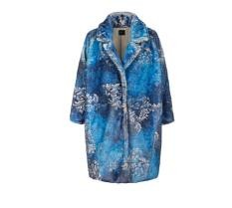 | 6396/SM | CAPPOTTO LETO ZAFFIRO | 5 | 240.00 € | 1,200.00 € | MADE IN ITALY
 | 6396/ML | CAPPOTTO LETO ZAFFIRO | 4 | 240.00 € | 960.00 € | MADE IN ITALY
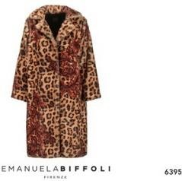 | 6395/M | CAPPOTTO FEBE ANIMALIER | 2 | 240.00 € | 480.00 € | MADE IN ITALY
 | 6395/S | CAPPOTTO FEBE ANIMALIER | 2 | 240.00 € | 480.00 € | MADE IN ITALY
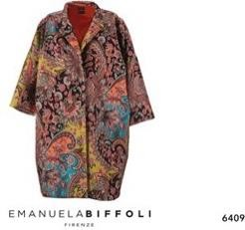 | 6409 | CAPPOTTO CLEO CACHEMIRE | 1 | 220.00 € | 220.00 € | MADE IN ITALY
 | 6387/M | CAPPOTTO SCARLET NERO | 1 | 240.00 € | 240.00 € | MADE IN ITALY
 | 6399/S | GILET LUNGO ANIMALIER | 1 | 200.00 € | 200.00 € | MADE IN ITALY
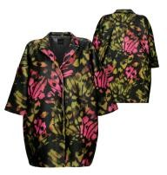 | 6464 | CAPPOTTO IN PANNO DECORO ALI DI FARFALLA | 17 | 200.00 € | 3,400.00 € | MADE IN ITALY
 | 6374/M | CAFTANO CORTO STAMPA MARE GROS CHAMPAG | 5 | 99.90 € | 499.50 € | MADE IN ITALY
 | 37105/38 | SANDALI CUOIO E ROUCHE STAMPA GEOMETRICA | 4 | 94.90 € | 379.60 € | MADE IN ITALY
 | 63664 | CAPPELLO PAGLIA FEDORA GIOIELLO ROSSO | 7 | 58.90 € | 412.30 € | MADE IN ITALY
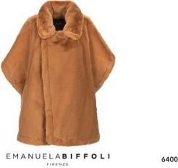 | 6400 | MANTELLA NEME BEIGE | 2 | 210.00 € | 420.00 € | MADE IN ITALY
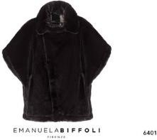 | 6401 | MANTELLA NEME NERO | 2 | 210.00 € | 420.00 € | MADE IN ITALY
 | 63662 | CAPPELLO PAGLIA NATURALE NASTRO NERO | 8 | 39.90 € | 319.20 € | MADE IN ITALY
 | 63656 | CAPPELLO RAFFIA CON INTRECCIO BICOLORE | 2 | 64.90 € | 129.80 € | MADE IN ITALY
 | 6401 | MANTELLA NEME NERO | 2 | 210.00 € | 420.00 € | MADE IN ITALY
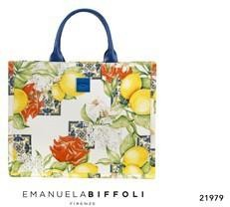 | 21979 | BORSA SHOPPER "FORTE"DESIGN LIMONI | 57 | 149.90 € | 8,544.30 € | MADE IN ITALY
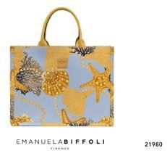 | 21980 | BORSA SHOPPER "FORTE"STAMPA MARINA | 58 | 149.90 € | 8,694.20 € | MADE IN ITALY
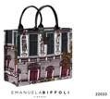 | 22033 | TOTE BAG DAY PALACE | 3 | 140.00 € | 420.00 € | MADE IN ITALY
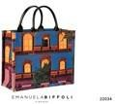 | 22034 | TOTE BAG NIGHT PALACE | 4 | 140.00 € | 560.00 € | MADE IN ITALY
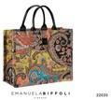 | 22035 | TOTE BAG CACHEMIRE | 3 | 140.00 € | 420.00 € | MADE IN ITALY
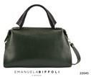 | 22045 | BORSA ATENA VERDE | 2 | 150.00 € | 300.00 € | MADE IN ITALY
 | 22047 | EMIBAG ALCHEMICO | 8 | 100.00 € | 800.00 € | MADE IN ITALY
 | 22048 | EMIBAG CACHEMIRE | 5 | 100.00 € | 500.00 € | MADE IN ITALY
 | 22050 | EMIBAG ZAFFIRO | 7 | 100.00 € | 700.00 € | MADE IN ITALY
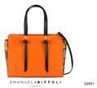 | 22051 | BORSA DIANA CACHEMIRE | 3 | 160.00 € | 480.00 € | MADE IN ITALY
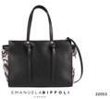 | 22053 | BORSA DIANA ALCHEMICO | 2 | 140.00 € | 280.00 € | MADE IN ITALY
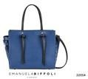 | 22054 | BORSA DIANA BLU PICCOLA | 3 | 160.00 € | 480.00 € | MADE IN ITALY
 | 63661 | CAPPELLO LEONE BEIGE | 1 | 72.00 € | 72.00 € | MADE IN ITALY
 | 63665 | CAPPELLO LEONE NERO | 1 | 72.00 € | 72.00 € | MADE IN ITALY
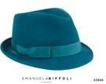 | 63666 | CAPPELLO SATURNO OTTANIO | 1 | 54.00 € | 54.00 € | MADE IN ITALY
 | 63668 | CAPPELLO BEATRICE FIOCCO BEIGE | 1 | 59.00 € | 59.00 € | MADE IN ITALY
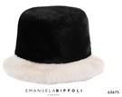 | 63675 | CAPPELLO BUCKET NERO E BIANCO | 4 | 45.00 € | 180.00 € | MADE IN ITALY
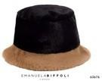 | 63676 | CAPPELLO BUCKET NERO E BEIGE | 3 | 45.00 € | 135.00 € | MADE IN ITALY
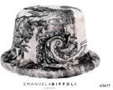 | 63677 | CAPPELLO BUCKET ALCHEMICO | 4 | 45.00 € | 180.00 € | MADE IN ITALY
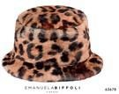 | 63678 | CAPPELLO BUCKET ANIMALIER | 3 | 45.00 € | 135.00 € | MADE IN ITALY
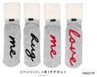 | 30027/P | SET CALZINI GRIGIO LOVE ME/HUG ME |  |  |  | MADE IN CHINA
 | 30027/SM | CALZINI GRIGIO ANTISCIVOLO LOVE/HUG ME | 428 | 14.70 € | 6,291.60 € | MADE IN CHINA
 | 30027/ML | CALZINI GRIGIO ANTISCIVOLO LOVE/HUG ME | 428 | 14.70 € | 6,291.60 € | MADE IN CHINA
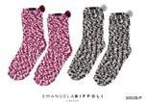 | 30028/P | SET CALZINI MELANGE FUCSIA PON PON |  |  |  | MADE IN CHINA
 | 30028/SM | CALZINI MELANGE FUCSIA PON PON | 440 | 14.70 € | 6,468.00 € | MADE IN CHINA
 | 30028/ML | CALZINI MELANGE FUCSIA PON PON | 440 | 14.70 € | 6,468.00 € | MADE IN CHINA
 | 30034/P | SET CIABATTE ECOPEL. INTREC. BIANCO/NERO |  |  |  | MADE IN CHINA
 | 30034/S | CIABATTE ECOPEL. INTRECCIO BIANCO/NERO | 21 | 32.70 € | 686.70 € | MADE IN CHINA
 | 30034/M | CIABATTE ECOPEL. INTRECCIO BIANCO/NERO | 21 | 32.70 € | 686.70 € | MADE IN CHINA
 | 30034/L | CIABATTE ECOPEL. INTRECCIO BIANCO/NERO | 21 | 32.70 € | 686.70 € | MADE IN CHINA
 | 30035/P | SET CIABATTE ECOP. INTREC. ANIMAL.VERDE |  |  |  | MADE IN CHINA
 | 30035/S | SET CIABATTE ECOP. INTREC. ANIMAL.VERDE | 264 | 26.70 € | 7,048.80 € | MADE IN CHINA
 | 30035/M | SET CIABATTE ECOP. INTREC. ANIMAL.VERDE | 264 | 26.70 € | 7,048.80 € | MADE IN CHINA
 | 30035/L | SET CIABATTE ECOP. INTREC. ANIMAL.VERDE | 264 | 26.70 € | 7,048.80 € | MADE IN CHINA
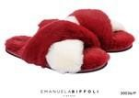 | 30036/P | SET CIABATTE ECOPEL.INTRECCIO ROSSO/BIAN |  |  |  | MADE IN CHINA
 | 30036/S | CIABATTE ECOPEL. INTRECCIO ROSSO/BIANCO | 285 | 32.70 € | 9,319.50 € | MADE IN CHINA
 | 30036/M | CIABATTE ECOPEL. INTRECCIO ROSSO/BIANCO | 285 | 32.70 € | 9,319.50 € | MADE IN CHINA
 | 30036/L | CIABATTE ECOPEL. INTRECCIO ROSSO/BIANCO | 285 | 32.70 € | 9,319.50 € | MADE IN CHINA
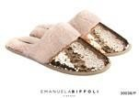 | 30038/P | SET CIABATTE C/PAILLETTES ORO E ECOPEL |  |  |  | MADE IN CHINA
 | 30038/S | CIABATTE C/PAILLETTES ORO E ECOPELLICCIA | 4 | 26.70 € | 106.80 € | MADE IN CHINA
 | 30038/M | CIABATTE C/PAILLETTES ORO E ECOPELLICCIA | 4 | 26.70 € | 106.80 € | MADE IN CHINA
 | 30038/L | CIABATTE C/PAILLETTES ORO E ECOPELLICCIA | 4 | 26.70 € | 106.80 € | MADE IN CHINA
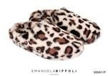 | 30041/S | CIABATTE ECOPELLICCIA MACULATA BEIGE | 4 | 26.70 € | 106.80 € | MADE IN CHINA
 | 30041/M | CIABATTE ECOPELLICCIA MACULATA BEIGE | 4 | 26.70 € | 106.80 € | MADE IN CHINA
 | 30041/L | CIABATTE ECOPELLICCIA MACULATA BEIGE | 4 | 26.70 € | 106.80 € | MADE IN CHINA
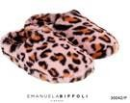 | 30042/S | CIABATTE ECOPELLICCIA MACULATA ROSA | 4 | 26.70 € | 106.80 € | MADE IN CHINA
 | 30042/M | CIABATTE ECOPELLICCIA MACULATA ROSA | 4 | 26.70 € | 106.80 € | MADE IN CHINA
 | 30042/L | CIABATTE ECOPELLICCIA MACULATA ROSA | 4 | 26.70 € | 106.80 € | MADE IN CHINA
 | 30043/S | CIABATTE ECOPEL ANIMAL VIOLA C/INTRECCIO | 81 | 26.70 € | 2,162.70 € | MADE IN CHINA
 | 30043/M | CIABATTE ECOPEL ANIMAL VIOLA C/INTRECCIO | 81 | 26.70 € | 2,162.70 € | MADE IN CHINA
 | 30043/L | CIABATTE ECOPEL ANIMAL VIOLA C/INTRECCIO | 81 | 26.70 € | 2,162.70 € | MADE IN CHINA
 | 36121/37 | CIABATTE ECOPELLICCIA INTRECCIO ROSSA | 28 | 35.70 € | 999.60 € | MADE IN CHINA
 | 36121/38 | CIABATTE ECOPELLICCIA INTRECCIO ROSSA | 28 | 35.70 € | 999.60 € | MADE IN CHINA
 | 36121/39 | CIABATTE ECOPELLICCIA INTRECCIO ROSSA | 28 | 35.70 € | 999.60 € | MADE IN CHINA
 | 36121/40 | CIABATTE ECOPELLICCIA INTRECCIO ROSSA | 28 | 35.70 € | 999.60 € | MADE IN CHINA
 | 36121/41 | CIABATTE ECOPELLICCIA INTRECCIO ROSSA | 28 | 35.70 € | 999.60 € | MADE IN CHINA
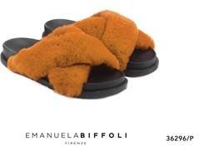 | 36296/37 | CIABATTE ECOPELLICCIA INTRECCIO SENAPE | 32 | 35.70 € | 1,142.40 € | MADE IN CHINA
 | 36296/38 | CIABATTE ECOPELLICCIA INTRECCIO SENAPE | 32 | 35.70 € | 1,142.40 € | MADE IN CHINA
 | 36296/39 | CIABATTE ECOPELLICCIA INTRECCIO SENAPE | 32 | 35.70 € | 1,142.40 € | MADE IN CHINA
 | 36296/40 | CIABATTE ECOPELLICCIA INTRECCIO SENAPE | 32 | 35.70 € | 1,142.40 € | MADE IN CHINA
 | 36296/41 | CIABATTE ECOPELLICCIA INTRECCIO SENAPE | 32 | 35.70 € | 1,142.40 € | MADE IN CHINA
 | 36297/37 | CIABATTE ECOPELLICCIA NERA C/GIOIELLO | 13 | 35.70 € | 464.10 € | MADE IN CHINA
 | 36297/38 | CIABATTA ECOPELLICCIA NERA C/GIOIELLO | 13 | 35.70 € | 464.10 € | MADE IN CHINA
 | 36297/39 | CIABATTA ECOPELLICCIA NERA C/GIOIELLO | 13 | 35.70 € | 464.10 € | MADE IN CHINA
 | 36297/40 | CIABATTA ECOPELLICCIA NERA C/GIOIELLO | 13 | 35.70 € | 464.10 € | MADE IN CHINA
 | 36297/41 | CIABATTA ECOPELLICCIA NERA C/GIOIELLO | 13 | 35.70 € | 464.10 € | MADE IN CHINA
 | 36301/37 | CIABATTE ECOPEL CAMOUFLAGE C/GIOIELLO | 10 | 35.70 € | 357.00 € | MADE IN CHINA
 | 36301/38 | CIABATTE ECOPEL CAMOUFLAGE C/GIOIELLO | 10 | 35.70 € | 357.00 € | MADE IN CHINA
 | 36301/39 | CIABATTE ECOPEL CAMOUFLAGE C/GIOIELLO | 10 | 35.70 € | 357.00 € | MADE IN CHINA
 | 36301/40 | CIABATTE ECOPEL CAMOUFLAGE C/GIOIELLO | 10 | 35.70 € | 357.00 € | MADE IN CHINA
 | 36301/41 | CIABATTE ECOPEL CAMOUFLAGE C/GIOIELLO | 10 | 35.70 € | 357.00 € | MADE IN CHINA
 | 36302/37 | CIABATTA FASCIA ANIMAL ROSA GIOIELLO | 30 | 35.70 € | 1,071.00 € | MADE IN CHINA
 | 36302/38 | CIABATTA FASCIA ANIMAL ROSA GIOIELLO | 30 | 35.70 € | 1,071.00 € | MADE IN CHINA
 | 36302/39 | CIABATTA FASCIA ANIMAL ROSA GIOIELLO | 30 | 35.70 € | 1,071.00 € | MADE IN CHINA
 | 36302/40 | CIABATTA FASCIA ANIMAL ROSA GIOIELLO | 30 | 35.70 € | 1,071.00 € | MADE IN CHINA
 | 36302/41 | CIABATTA FASCIA ANIMAL ROSA GIOIELLO | 30 | 35.70 € | 1,071.00 € | MADE IN CHINA
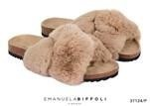 | 37124/37 | SANDALI ECOPELLICCIA BEIGE CON INTRECCIO | 4 | 47.70 € | 190.80 € | MADE IN CHINA
 | 37124/38 | SANDALI ECOPELLICCIA BEIGE CON INTRECCIO | 4 | 47.70 € | 190.80 € | MADE IN CHINA
 | 37124/39 | SANDALI ECOPELLICCIA BEIGE CON INTRECCIO | 4 | 47.70 € | 190.80 € | MADE IN CHINA
 | 37124/40 | SANDALI ECOPELLICCIA BEIGE CON INTRECCIO | 4 | 47.70 € | 190.80 € | MADE IN CHINA
 | 37124/41 | SANDALI ECOPELLICCIA BEIGE CON INTRECCIO | 4 | 47.70 € | 190.80 € | MADE IN CHINA
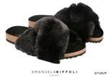 | 37125/37 | SANDALI ECOPELLICCIA NERO CON INTRECCIO | 4 | 47.70 € | 190.80 € | MADE IN CHINA
 | 37125/38 | SANDALI ECOPELLICCIA NERO CON INTRECCIO | 4 | 47.70 € | 190.80 € | MADE IN CHINA
 | 37125/39 | SANDALI ECOPELLICCIA NERO CON INTRECCIO | 4 | 47.70 € | 190.80 € | MADE IN CHINA
 | 37125/40 | SANDALI ECOPELLICCIA NERO CON INTRECCIO | 4 | 47.70 € | 190.80 € | MADE IN CHINA
 | 37125/41 | SANDALI ECOPELLICCIA NERO CON INTRECCIO | 4 | 47.70 € | 190.80 € | MADE IN CHINA
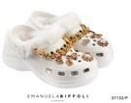 | 37132/SM | MULES GOMMA BIANCA DECORAZIONI GIOIELLO | 5 | 50.70 € | 253.50 € | MADE IN CHINA
 | 37132/ML | MULES GOMMA BIANCA DECORAZIONI GIOIELLO | 5 | 50.70 € | 253.50 € | MADE IN CHINA
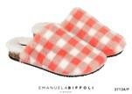 | 37134/37 | SABOT ECOPELLICIA QUADRI BIANCO/ARAGOSTA | 7 | 50.70 € | 354.90 € | MADE IN CHINA
 | 37134/38 | SABOT ECOPELLICIA QUADRI BIANCO/ARAGOSTA | 7 | 50.70 € | 354.90 € | MADE IN CHINA
 | 37134/39 | SABOT ECOPELLICIA QUADRI BIANCO/ARAGOSTA | 7 | 50.70 € | 354.90 € | MADE IN CHINA
 | 37134/40 | SABOT ECOPELLICIA QUADRI BIANCO/ARAGOSTA | 7 | 50.70 € | 354.90 € | MADE IN CHINA
 | 37134/41 | SABOT ECOPELLICIA QUADRI BIANCO/ARAGOSTA | 7 | 50.70 € | 354.90 € | MADE IN CHINA
 | 37136/37 | CIABATTE ECOPELLICCIA NERA SOLETTA SNAKE | 25 | 38.70 € | 967.50 € | MADE IN CHINA
 | 37136/38 | CIABATTE ECOPELLICCIA NERA SOLETTA SNAKE | 25 | 38.70 € | 967.50 € | MADE IN CHINA
 | 37136/39 | CIABATTE ECOPELLICCIA NERA SOLETTA SNAKE | 25 | 38.70 € | 967.50 € | MADE IN CHINA
 | 37136/40 | CIABATTE ECOPELLICCIA NERA SOLETTA SNAKE | 25 | 38.70 € | 967.50 € | MADE IN CHINA
 | 37136/41 | CIABATTE ECOPELLICCIA NERA SOLETTA SNAKE | 25 | 38.70 € | 967.50 € | MADE IN CHINA
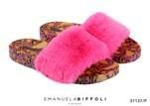 | 37137/37 | CIABATTE ECOPEL FUCSIA SOLETTA MACULATA | 25 | 38.70 € | 967.50 € | MADE IN CHINA
 | 37137/38 | CIABATTE ECOPEL FUCSIA SOLETTA MACULATA | 25 | 38.70 € | 967.50 € | MADE IN CHINA
 | 37137/39 | CIABATTE ECOPEL FUCSIA SOLETTA MACULATA | 25 | 38.70 € | 967.50 € | MADE IN CHINA
 | 37137/40 | CIABATTE ECOPEL FUCSIA SOLETTA MACULATA | 25 | 38.70 € | 967.50 € | MADE IN CHINA
 | 37137/41 | CIABATTE ECOPEL FUCSIA SOLETTA MACULATA | 25 | 38.70 € | 967.50 € | MADE IN CHINA
 | 37145/P | SET CIABATTE ECOPELLIC NERA,DECOR.FIBBIA |  |  |  | MADE IN CHINA
 | 37145/37 | CIABATTE ECOPELLIC. NERA C/DECOR FIBBIA | 3 | 41.70 € | 125.10 € | MADE IN CHINA
 | 37145/38 | CIABATTE ECOPELLIC. NERA C/DECOR FIBBIA | 3 | 41.70 € | 125.10 € | MADE IN CHINA
 | 37145/39 | CIABATTE ECOPELLIC. NERA C/DECOR FIBBIA | 3 | 41.70 € | 125.10 € | MADE IN CHINA
 | 37145/40 | CIABATTE ECOPELLIC. NERA C/DECOR FIBBIA | 3 | 41.70 € | 125.10 € | MADE IN CHINA
 | 37145/41 | CIABATTE ECOPELLIC. NERA C/DECOR FIBBIA | 3 | 41.70 € | 125.10 € | MADE IN CHINA
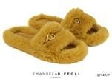 | 37146/P | SET CIABATTE ECOPEL SENAPE, DECOR.FIBBIA |  |  |  | MADE IN CHINA
 | 37146/37 | CIABATTE ECOPELLIC. SENAPE,DECOR FIBBIA | 4 | 41.70 € | 166.80 € | MADE IN CHINA
 | 37146/38 | CIABATTE ECOPELLIC. SENAPE,DECOR FIBBIA | 4 | 41.70 € | 166.80 € | MADE IN CHINA
 | 37146/39 | CIABATTE ECOPELLIC. SENAPE,DECOR FIBBIA | 4 | 41.70 € | 166.80 € | MADE IN CHINA
 | 37146/40 | CIABATTE ECOPELLIC. SENAPE,DECOR FIBBIA | 4 | 41.70 € | 166.80 € | MADE IN CHINA
 | 37146/41 | CIABATTE ECOPELLIC. SENAPE,DECOR FIBBIA | 4 | 41.70 € | 166.80 € | MADE IN CHINA
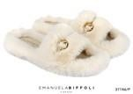 | 37147/P | SET CIABATTE ECOPEL BIANCA, DECOR FIBBIA |  |  |  | MADE IN CHINA
 | 37147/37 | CIABATTE ECOPELLICC. BIANCA,DECOR.FIBBIA | 4 | 41.70 € | 166.80 € | MADE IN CHINA
 | 37147/38 | CIABATTE ECOPELLICC. BIANCA,DECOR.FIBBIA | 4 | 41.70 € | 166.80 € | MADE IN CHINA
 | 37147/39 | CIABATTE ECOPELLICC. BIANCA,DECOR.FIBBIA | 4 | 41.70 € | 166.80 € | MADE IN CHINA
 | 37147/40 | CIABATTE ECOPELLICC. BIANCA,DECOR.FIBBIA | 4 | 41.70 € | 166.80 € | MADE IN CHINA
 | 37147/41 | CIABATTE ECOPELLICC. BIANCA,DECOR.FIBBIA | 4 | 41.70 € | 166.80 € | MADE IN CHINA
 | 36300/P | SET CIABATTA FASCIA BEIGE C/GIOIELLO |  |  |  | MADE IN CHINA
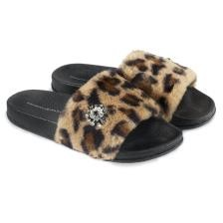 | 36300/37 | CIABATTA FASCIA ANIMAL BEIGE C/GIOIELLO | 30 | 35.70 € | 1,071.00 € | MADE IN CHINA
 | 36300/38 | CIABATTA FASCIA ANIMAL BEIGE C/GIOIELLO | 30 | 35.70 € | 1,071.00 € | MADE IN CHINA
 | 36300/39 | CIABATTA FASCIA ANIMAL BEIGE C/GIOIELLO | 30 | 35.70 € | 1,071.00 € | MADE IN CHINA
 | 36300/40 | CIABATTA FASCIA ANIMAL BEIGE C/GIOIELLO | 30 | 35.70 € | 1,071.00 € | MADE IN CHINA
 | 36300/41 | CIABATTA FASCIA ANIMAL BEIGE C/GIOIELLO | 30 | 35.70 € | 1,071.00 € | MADE IN CHINA
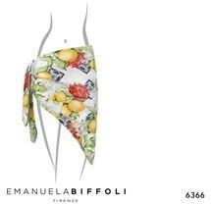 | 6366 | PAREO CON STAMPA LIMONI | 18 | 49.90 € | 898.20 € | MADE IN ITALY
 | 21970 | BORSA PAGLIA "POSITANO" RETTANGOLARE | 17 | 138.90 € | 2,361.30 € | MADE IN ITALY
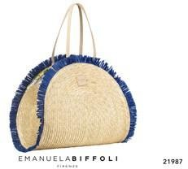 | 21987 | BORSA PAGLIA "PORTO CERVO" FRANGE BLU | 13 | 198.90 € | 2,585.70 € | MADE IN ITALY
 | 63659 | CAPPELLO FEDORA CON NASTRO GROS LIME | 4 | 39.90 € | 159.60 € | MADE IN ITALY
 | 21958 | BORSA PAGLIA "GIOIELLO" TURCHESE | 2 | 64.90 € | 129.80 € | MADE IN ITALY
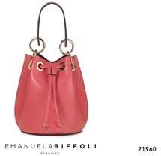 | 21960 | SECCHIELLO "MINIOBLÒ" VERA PELLE CORALLO | 2 | 69.90 € | 139.80 € | MADE IN ITALY
 | 21962 | BORSA PAGLIA "AMALFI" CON FIORI CHIARI | 29 | 74.90 € | 2,172.10 € | MADE IN ITALY
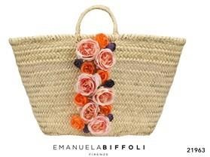 | 21963 | BORSA PAGLIA "AMALFI" CON FIORI ARANCIO | 16 | 74.90 € | 1,198.40 € | MADE IN ITALY
 | 21966 | BORSA PAGLIA "PORTOFINO" FRANGE NERE | 13 | 99.90 € | 1,298.70 € | MADE IN ITALY
 | 21968 | BORSA PAGLIA "PORTOFINO" FRANGE BIANCHE | 13 | 99.90 € | 1,298.70 € | MADE IN ITALY
 | 21969 | BORSA PAGLIA "TAORMINA" FRANGE GIALLE | 9 | 139.90 € | 1,259.10 € | MADE IN ITALY
 | 21971 | SECCHIELLO "MINIOBLÒ" VERA PELLE ORO | 1 | 69.90 € | 69.90 € | MADE IN ITALY
 | 21972 | BORSA "BUCKET" VERA PELLE BEIGE/TURCHESE | 6 | 69.90 € | 419.40 € | MADE IN ITALY
 | 21973 | BORSA "BUCKET" IN VERA PELLE ROSA/NUDE | 12 | 69.90 € | 838.80 € | MADE IN ITALY
 | 21974 | BORSA "BUCKET" IN VERA PELLE BEIGE/VIOLA | 3 | 69.90 € | 209.70 € | MADE IN ITALY
 | 21975 | BORSA SHOPPER "FORTE" STAMPA GEOMETRICA | 31 | 149.90 € | 4,646.90 € | MADE IN ITALY
 | 21976 | BORSA SHOPPER "FORTE" STAMPA ANIMALIER | 21 | 149.90 € | 3,147.90 € | MADE IN ITALY
 | 21977 | BORSA SHOPPER "FORTE" NERA STAMPA FIORI | 23 | 149.90 € | 3,447.70 € | MADE IN ITALY
 | 21978 | BORSA SHOPPER "FORTE" FIORI BIANCHI | 22 | 149.90 € | 3,297.80 € | MADE IN ITALY
 | 21979 | BORSA SHOPPER "FORTE"DESIGN LIMONI | 56 | 149.90 € | 8,394.40 € | MADE IN ITALY
 | 21980 | BORSA SHOPPER "FORTE"STAMPA MARINA | 58 | 149.90 € | 8,694.20 € | MADE IN ITALY
 | 21981 | BORSA PAGLIA "VENERE" FORMA CONCHIGLIA | 6 | 89.90 € | 539.40 € | MADE IN ITALY
 | 21982 | BORSA PAGLIA "GIGLIO" CON GALE IN PAGLIA | 22 | 98.50 € | 2,167.00 € | MADE IN ITALY
 | 21983 | BORSA PAGLIA "TAORMINA" FRANGE NERE | 22 | 139.90 € | 3,077.80 € | MADE IN ITALY
 | 21984 | BORSA PAGLIA "CAPRI" NERA E BIANCA | 13 | 129.90 € | 1,688.70 € | MADE IN ITALY
 | 21985 | BORSA PAGLIA "RIMINI" FRANGE ROSSE | 9 | 179.90 € | 1,619.10 € | MADE IN ITALY
 | 21986 | BORSA PAGLIA "LERICI" CON FRANGE TABACCO | 2 | 189.90 € | 379.80 € | MADE IN ITALY
 | 21989 | BORSA PAGLIA "TROPEA" CON FRANGE NERE | 10 | 184.90 € | 1,849.00 € | MADE IN ITALY
 | 37101/37 | SANDALI CUOIO CON ROUCHE STAMPA LIMONI | 5 | 94.90 € | 474.50 € | MADE IN ITALY
 | 37101/38 | SANDALI CUOIO CON ROUCHE STAMPA LIMONI | 5 | 94.90 € | 474.50 € | MADE IN ITALY
 | 37101/41 | SANDALI CUOIO CON ROUCHE STAMPA LIMONI | 4 | 94.90 € | 379.60 € | MADE IN ITALY
 | 37103/37 | SANDALI CUOIO CON ROUCHE STAMPA FLOREALE | 2 | 94.90 € | 189.80 € | MADE IN ITALY
 | 37103/38 | SANDALI CUOIO CON ROUCHE STAMPA FLOREALE | 4 | 94.90 € | 379.60 € | MADE IN ITALY
 | 37103/39 | SANDALI CUOIO CON ROUCHE STAMPA FLOREALE | 3 | 94.90 € | 284.70 € | MADE IN ITALY
 | 37103/40 | SANDALI CUOIO CON ROUCHE STAMPA FLOREALE | 4 | 94.90 € | 379.60 € | MADE IN ITALY
 | 37103/41 | SANDALI CUOIO CON ROUCHE STAMPA FLOREALE | 5 | 94.90 € | 474.50 € | MADE IN ITALY
 | 37104/37 | SANDALI CUOIO CON ROUCHE STAMPA MACULAT | 7 | 94.90 € | 664.30 € | MADE IN ITALY
 | 37104/38 | SANDALI CUOIO CON ROUCHE STAMPA MACULAT | 5 | 94.90 € | 474.50 € | MADE IN ITALY
 | 37104/39 | SANDALI CUOIO CON ROUCHE STAMPA MACULAT | 5 | 94.90 € | 474.50 € | MADE IN ITALY
 | 37104/41 | SANDALI CUOIO CON ROUCHE STAMPA MACULAT | 5 | 94.90 € | 474.50 € | MADE IN ITALY
 | 37105/39 | SANDALI CUOIO E ROUCHE STAMPA GEOMETRICA | 4 | 94.90 € | 379.60 € | MADE IN ITALY
 | 37105/40 | SANDALI CUOIO E ROUCHE STAMPA GEOMETRICA | 6 | 94.90 € | 569.40 € | MADE IN ITALY
 | 37105/41 | SANDALI CUOIO E ROUCHE STAMPA GEOMETRICA | 7 | 94.90 € | 664.30 € | MADE IN ITALY
 | 37106/37 | SANDALI CUOIO E ROUCHE NERE STAMPA FIORI | 8 | 94.90 € | 759.20 € | MADE IN ITALY
 | 37106/39 | SANDALI CUOIO E ROUCHE NERE STAMPA FIORI | 1 | 94.90 € | 94.90 € | MADE IN ITALY
 | 37106/40 | SANDALI CUOIO E ROUCHE NERE STAMPA FIORI | 5 | 94.90 € | 474.50 € | MADE IN ITALY
 | 37106/41 | SANDALI CUOIO E ROUCHE NERE STAMPA FIORI | 5 | 94.90 € | 474.50 € | MADE IN ITALY
 | 63640 | CAPPELLO PAGLIA BON-TON NASTRO LIMONI | 8 | 58.90 € | 471.20 € | MADE IN ITALY
 | 63641 | CAPPELLO PAGLIA BONTON NASTRO NERO FIORI | 7 | 58.90 € | 412.30 € | MADE IN ITALY
 | 63642 | CAPPELLO PAGLIA NASTRO FLOREALE | 7 | 58.90 € | 412.30 € | MADE IN ITALY
 | 63643 | CAPPELLO PAGLIA NASTRO MACULATO | 7 | 58.90 € | 412.30 € | MADE IN ITALY
 | 63644 | CAPPELLO PAGLIA FEDORA GIOIELLO ARGENTO | 8 | 58.90 € | 471.20 € | MADE IN ITALY
 | 63646 | CAPPELLO CLOCHE CON FIORE E GROS ARANCIO | 5 | 46.90 € | 234.50 € | MADE IN ITALY
 | 63647 | CAPPELLO CLOCHE CON FIORE E GROS LIME | 2 | 46.90 € | 93.80 € | MADE IN ITALY
 | 63648 | CAPPELLO PAGLIA "BUCKET" FRANGE NATURALE | 3 | 48.90 € | 146.70 € | MADE IN ITALY
 | 63649 | CAPPELLO PAGLIA "BUCKET" FRANGE NERE | 5 | 48.90 € | 244.50 € | MADE IN ITALY
 | 6365 | PAREO BIANCO CON STAMPA FLOREALE | 23 | 49.90 € | 1,147.70 € | MADE IN ITALY
 | 63650 | CAPPELLO NERO NASTRO GROSGRAIN NERO | 6 | 39.90 € | 239.40 € | MADE IN ITALY
 | 63651 | CAPPELLO PAGLIA BON-TON NASTRO AZZURRO | 8 | 38.90 € | 311.20 € | MADE IN ITALY
 | 63652 | CAPPELLO PAGLIA NASTRO BEIGE | 4 | 38.90 € | 155.60 € | MADE IN ITALY
 | 63653 | CAPPELLO PAGLIA NASTRO STAMPA GEOMETRICA | 12 | 58.90 € | 706.80 € | MADE IN ITALY
 | 63654 | CAPPELLO PAGLIA NASTRO STAMPA MARINA | 5 | 58.90 € | 294.50 € | MADE IN ITALY
 | 63655 | CAPPELLO RAFFIA CINTURINO PELLE | 14 | 64.90 € | 908.60 € | MADE IN ITALY
 | 63660 | CAPPELLO FEDORA CON NASTRO GROS FUCSIA | 1 | 39.90 € | 39.90 € | MADE IN ITALY
 | 63663 | CAPPELLO PAGLIA FEDORA GIOIELLO TURCHESE | 14 | 58.90 € | 824.60 € | MADE IN ITALY

